Summary
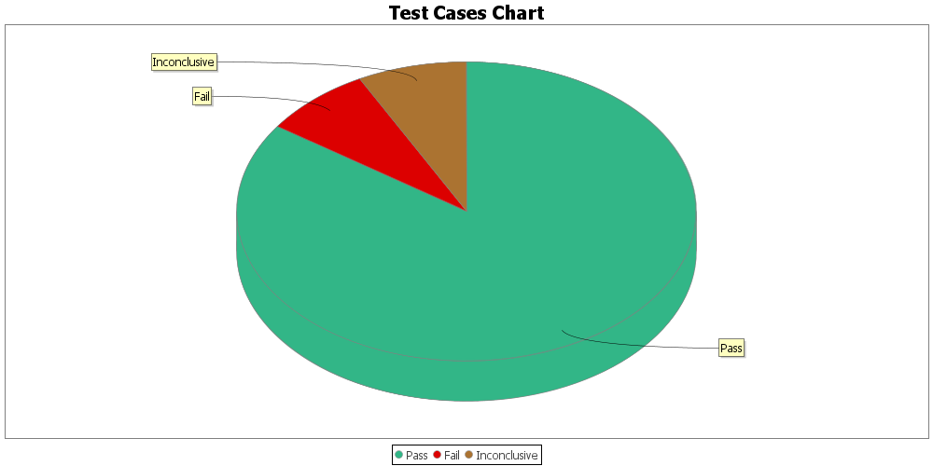
Result | Count
Pass
Fail
Inconclusive

